1. Title Page
Instacart Grocery Basket

Project Name: Instacart Grocery Basket Analysis
Date: 4/26/2023
Analyst Name: Caroline Park

Contents:
Population Flow
Consistency checks
Wrangling steps
Column derivations
Visualizations
Recommendations

Data Citation:
Customer data, as well as the "prices" data, were both fabricated for the purpose of this project.
"The Instacart Online Grocery Shopping Dataset 2017", Accessed from http://www.instacart.com/datasets/grocery-shopping-2017 on [date].

2. Population Flow
Title page

Population flow

Exclusion flag
Condition: max_order < 5
Obervations to be removed: 1440295 observations
Final total count of order_products_all: 30964564 rows

Orders_products_combined
Orders_products_merged
Orders_products_all

Total: 32404859
Total: 3243489
Total: 32404859

1.) The grey boxes in the first row of the population flow represent the original data sets as they were when you downloaded them. In the Total fields you need to add the count of the rows when you imported the data set into Jupyter.
2.) The second row of boxes (coloured) represents the data sets after you manipulated them, e.g., removed missing values and duplicates. In the Total fields you need to add the count of the rows after conducting these operations. This offers a visual oveview of how the data flows throughout the data consistency checks.
3.) The third row, where also the arrows are coloured, represents the merges you performed between the datasets. In the Total fields you need to add the count of the rows in the merged datasets, so that you end up with the final dataset (in the red box). Keep in mind the final dataset should be without exclusions (based on the exclusion flag).

3. Consistency checks
 |  |  |  | Title page
Consistency checks

Dataset | Missing values | Missing values treatment | Duplicates
orders | 206209 missing values in 'days since prior order' | No change. These mark the first order 1 associated with value indicates a new customer
products | 16 in 'product_name' | dropped from column | 5 duplicates dropped
orders_products_prior | No missing values |  | No Duplicates
customers | No missing values |  | No Duplicates
instacart_data_all | 5 in 'median_order_freq' | Calculated field - replaced with correct values
instacart_data_all | 5 in 'order_freq_flag' | Calculated field - replaced with correct values

4. Wrangling steps
 |  |  |  | Title page
Wrangling steps

Columns dropped | Columns renamed | Columns' type changed | Comment/Reason
orders.eval_set |  |  | data not relevant to analysis
 | orders_dow to 'orders_day_of_week |  | renamed to be more descriptive
 |  | order.order_id to str | It is a unique identifier and does not need to be an integer.
 |  | order.user_id to str | It is a unique identifier and does not need to be an integer.
customer.First Name |  |  | data not relevant to analysis & PII
customer.Surnam |  |  | data not relevant to analysis & PII
 | Customer[('STATE':'state'), ('Gender':'gender'), ('Age':'age'), ('n_dependants':'number_dependants'), ('fam_status':'family_status')] |  | Renamed for consistency and to be more descriptive

5. Column derivations
 |  |  |  |  |  |  | Title page
In this tab you should add tables below that the frequences of flags/label variables that you produced after deriving them. NB: don't do this for continuous variables, only for flags.
Column derivations and aggregations

Dataset | New column | Column/s it was derived from | Conditions
products | price_range_loc | price | price <= 5 : 'Low range product', price > 5 and <= 15 : 'Mid range product', price > 15: 'High range product' | Price Range Value Counts | High range product 412551 | Mid range product 21865987 | Low range product 10126321
orders | busiest_day | orders_day_of_the_week | orders_day_of_the_week 0 = 'Busiest day', 4 = 'Least busy', else: 'Rregular day | Busiest Day Value Count | Regularly busy 22416875 | Busiest day 6204182 | Least busy 3783802
orders | busiest_period | orders_day_of_the_week | orders_day_of_the_week 0 or 1 = 'Busiest days', 4 or 3 = 'Slowest days ', else: 'Regularly busy' | Busiest period Value Count | Regularly busy 12916111 | Busiest days 11864412 | Slowest days 7624336
ords_prods_merged | busiest_period_of_day | order_hour_of_day | value >= 10 & <= 16 : 'Most orders', value <6 = 'Average orders', else: 'Fewest orders' | Busiest Period of Day Value Counts | Most orders 18663868 | Average orders 13144663 | Fewest orders 596328
ords_prods_merged | mean_spending | user_id', 'prices' | Dataframe grouped by 'user_id' and transformed by mean of 'prices' | Continuous Variable
ords_prods_merged | spending_flag | mean_spending | mean_spending < 10 : 'Low spender' igh-spender, else Low-spender | Spending Value Counts | Low spender 32285150 | High spender 119709
ords_prods_merged | loyalty_flag | max_orders | max_orders > 40 = 'Loyal customer', 40 >= max_order > 10 : 'Regular customer', else: 'New customer' | Loyalty_flag Value Counts | Regular customer 15876776 | Loyal customer 10284093 | New customer 6243990
ords_prods_merged | median_order_freq | user_id, days_since_prior_order | Dataframe grouped by 'user_id' and transformed by median of 'days_since_prior_order' | Continuous Variable
ords_prods_merged | order_freq_flag | median_order_freq | >20: 'Non-frequent customer', <= 20 & >10: 'Regular customer', <=10: 'Loyal customer' | Order_frequency Value Counts | Non-frequent customer 3636434 | Regular customer 7208564 | Frequent customer 21559853
instacart_data_all | region | state | according to us census regions | Region Value Counts | South 10791885 | West 8292913 | Midwest 7597325 | Northeast 5722736
instacart_data_all - df_reg_customers (low activity customers excluded) | age_group | age | age < 40 = Young Adult, 40 - 64 = Middle-Aged, 65 >= senior | Age_Group Value Counts | Middle-Aged 12103910 | Senior 8195544 | Young Adult 10665110
instacart_data_all - df_reg_customers (low activity customers excluded) | income_group | income | income < 75000 : '025-75k', income 75000 to < 125000 : '075-125k', income >= 125000: '125k+' | Income_Group Value Count | 025-75k 9906680 | 075-125k 12779840 | 125k+ 8278044
instacart_data_all - df_reg_customers (low activity customers excluded) | family_status | number_dependants | number_dependants = 0: 'Has dependants', number_dependants >= 1 'Has dependants' | Family_Status Value Count | Has dependants 23224883 | No dependants 7739681
instacart_data_all - df_reg_customers (low activity customers excluded) | diet_style | department id | Vegetarian' = no orders from department 12, 'Vegan' = 'no orders from departhemts 12 and 16', else: Meat-consumer | Diet_Style Value Count | Meat-consumer 23065332 | Vegetarian 7589236 | Vegan 309996
instacart_data_all - df_reg_customers (low activity customers excluded) | has_pet | department id | No_pet' = No orders from department 8, Else: 'Has_pet' | Has_Pet Value Counts | No pet 27513213 | Has pet 3451351

6. Visualizations
 |  |  |  |  |  |  |  | Title page

Visualisations

In this tab you should include all the visualtions from Exercises 4.9 and 4.10, alongside the questions from the project brief that they answer. Include any commentary on the relationship between different variables.

General Visualizations

Key Question 1: When are the busiest days of the week and the busiest hours of the day in order to schedule ads when there are fewer orders
Key Question 2: Are there particular times of the day when people spend more money which might inform the type of products to advertise
Key Question 3: Simpler price range groupings for Marketing and Sales
Key Question 4: Are certain types of products more popular than others? Which departments have the highest frequency of product orders?
Key Question 5: What are different types of customers and how are their ordering behavior different?
Key Question 5.1 : Distribution among users in brand loyalty (how frequently they visit)
Key Question 5.2 : Customer loyalty status
Key Question 5.3 : differences in ordering based on customer's region?
Key Question 5.4 : Is there a connection between age and family status in terms of ordering habits?
Key Question 5.5 : Difference classifications based on demographic - Age, Income, family status, Certain types of goods?
Key Question 5.6: Any other differences in ordering habits

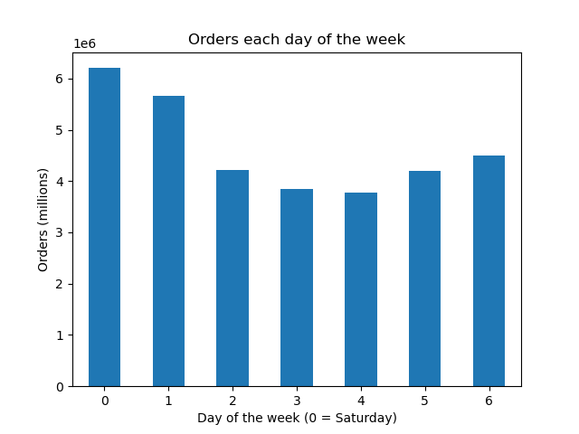


1. Bar Chart of the number of orders by the day of the week.
-Orders on Saturday (0) and Sunday (1) make them the busiest days of the week.
- Tueday and Wednesday are the slowest days of the week.
KQ1
2. Histogram of the number of items ordered each hour of the day. 0 = 12:00 AM
- The busiest hours (over 2.5 million items) are between 10AM and 4PM.
- The slowest ordering period (less then 250,000 items ordered) is between midnight and 6AM.
KQ1

 | 0 | 1 | 2 | 3 | 4 | 5 | 6
 | Saturday | Sunday | Monday | Tuesday | Wednesday | Thursday | Friday


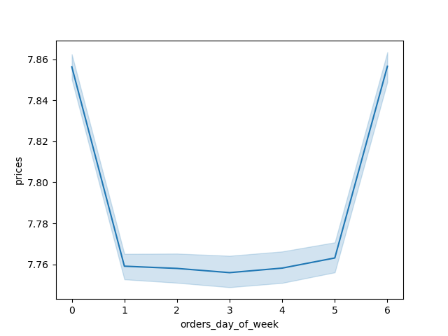

3 .Line chart showing the mean price per item on orders placed each day.
- The highest average price per item is on Saturday and Friday.
- Despite Sunday having the second highest number of items ordered, it has a lower average price, similar to most of the weekday.
- Friday, which has the third highest number of items ordered each week, has a mean price per item comparable to Saturday.
-This suggests that customers order more expensive items on Friday and Saturday in preparation for weekend activities.
KQ2
4. Line chart showing the average price variation of items by each hour the order was placed.
- There is a lot of variablility of average price before 8AM. This is due to the low amount of orders placed at these hours make outliers more significant.
-The first hour of the busiest period of the day 10 AM has the lowest average price per item. The average prices rises till 12 PM, and then gradually increases to a peak at 6PM.
-There is another peak in average price per item at 10PM but this is less significant since the quantity of items ordered is low at this time.
-Prime time for advertisements should be when many orders are being placed and should be sensitive to the average item price per hour.
KQ2

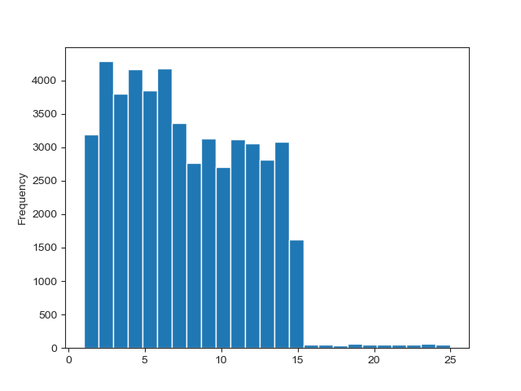
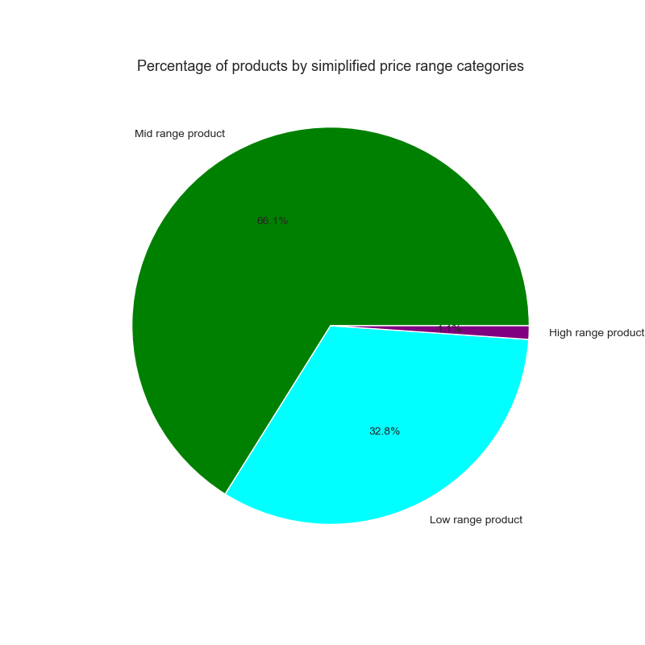

5. Histogram chart showing the number of products at each price point.
-The majority of items are priced between $1 to $15.
- A few items are priced between $15 and $25.
KQ3 (background information)
6. Pie chart of items by the simplified price range grouping.
-1.1% of items sold are high range products (>$15).
-Nearly two-thirds are mid-range products ($5-$15) and nearly one-third are low-range products (<$5)
KQ3

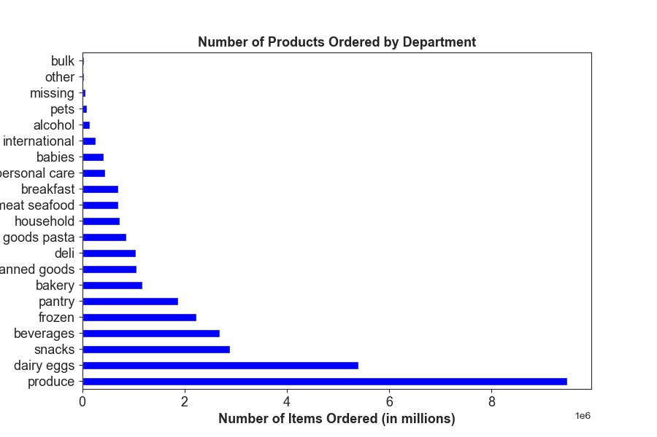
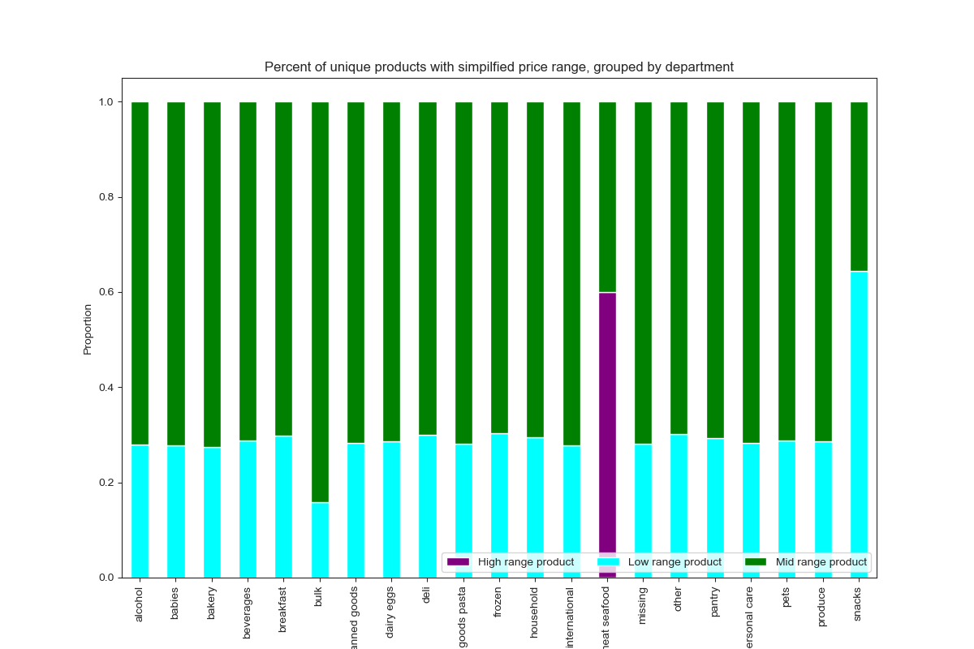
7. Bar chart showing the percent of items ordered by department, segemented with the simplified price range.
- The Meat & Seafood department contains the majority of items that qualify as High range products. This department is the only one with no items classified as low range products.
- More than 95% of the items sold in the bulk department qualify as mid range products. The rest are low-range products.
- The snacks department has the highest percentage (over 60%) of items sold that are low-range products.
- Most departments are have roughly 70% mid range products and 30% low range products.
See Crosstabs.xlsx for all values
KQ 3
8. Horizonal bar chart showing the number of items ordered by departments in ascending order.
Top 10 Most frequently ordered departments
Produce
Dairy & Eggs
Snacks
Beverages
Frozen
Pantry
Bakery
Canned Goods
Deli
Dry Goods & Pasta
KQ 4

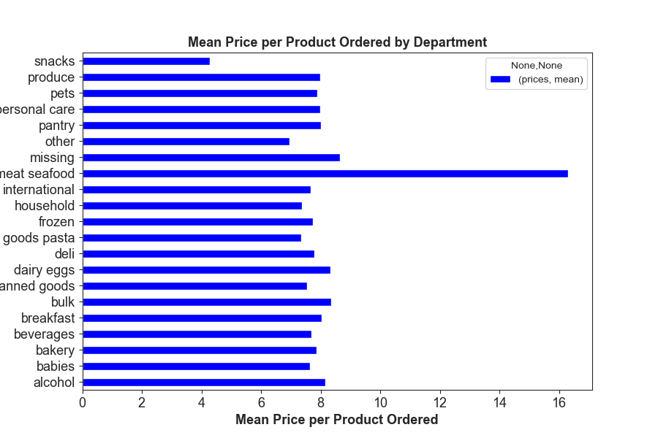


9. Horizontal bar chart showing the average price of products sold by department.
- The Meat & Seafood department has an average price per item of 16.3
-The Snacks department has an average price per item of $4.27.
- Other department have an average price ranging from $8.66 to $6.96.
See Crosstabs.xlsx for all values
KQ 4
10. Line chart of average number of dependants versus the age of the customer.
-The mean number of dependants is 1.5 dependants per customer.
-No strong relantionship can be seen between the two variables.
KQ 5.4

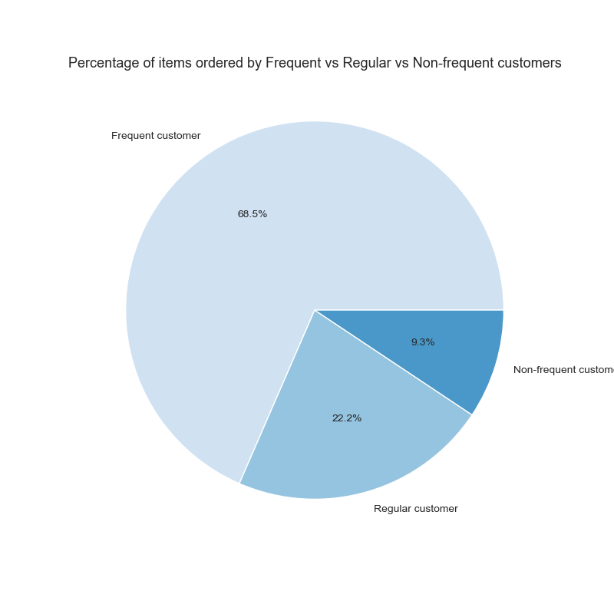
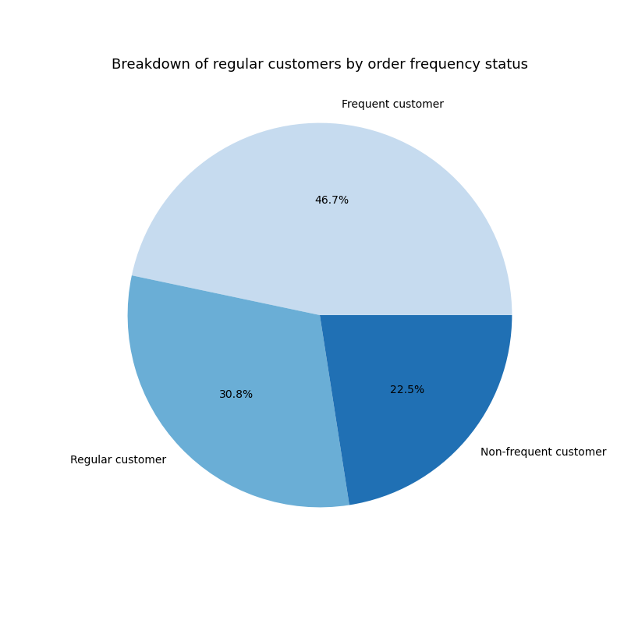

11. Pie chart of Instacart customer by how frequently they place orders.
-Frequent customers make up nearly half of the customer base and order nearly two-thirds of the items.
-Non-frequent customers are less then a quarter of the customer base and order ledd then 10% of items.
KQ 5.1
12. Pie Chart of the percentage of items each group orders
Frequent customers order nearly 2/3 of products.
Non-frequent customers' percentage of orders is less then half of their proportion of the customer base.
KQ 5.1

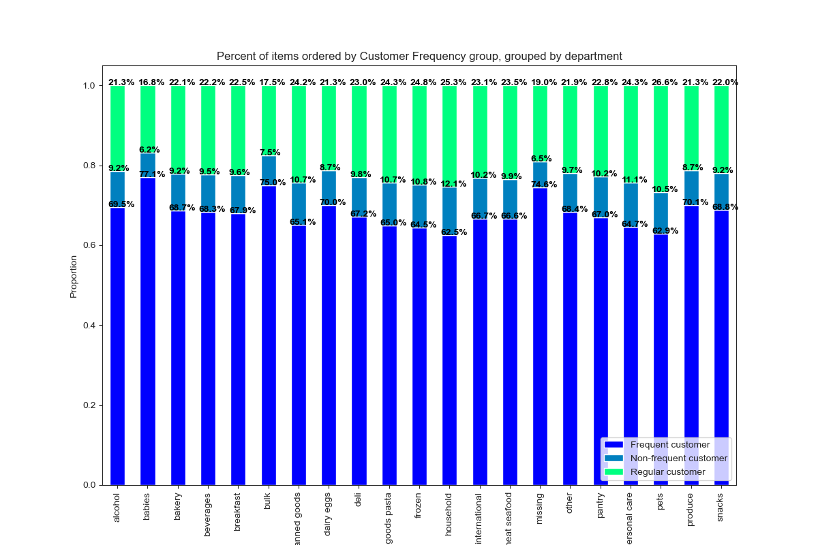

13.Stacked bar chart of products sold by department by Customer frequency group, normalized.
- Frequent customers order 68.5% of items sold through Instacart.
-They order a higher percentage of items from the following departments: Babies 77.1%, Bulk - 75.0%, Missing 74.6%, Produce - 70.1%, Dairy & Eggs - 70.0%, Alcohol - 69.5%, Snacks - 68.8%, Bakery - 68.7%
Regular customers order 22.5% of items sold through Instacart.
-They order a higher percentage of items from the following departments: Pets - 26.6%, Household 25.3%, Frozen - 24.8%, Dry Goods & Pasta - 24.3%, Canned Goods - 24.2%, Meat & Seafood - 23.5%
Non-frequent customers order 9.3% of items sold through Instacart.
They order a higher percentage of items from the following departments: Household 12.1%, Personal Care - 11.1%, Frozen 10.8%, Dry Goods & Pasta - 10.7%, Pets - 10.5%, Pantry 10.2%, International 10.2%, Meat & Seafood 9.9%, Deli 9.8%
See Crosstabs.xlsx for all values
KQ 5.1

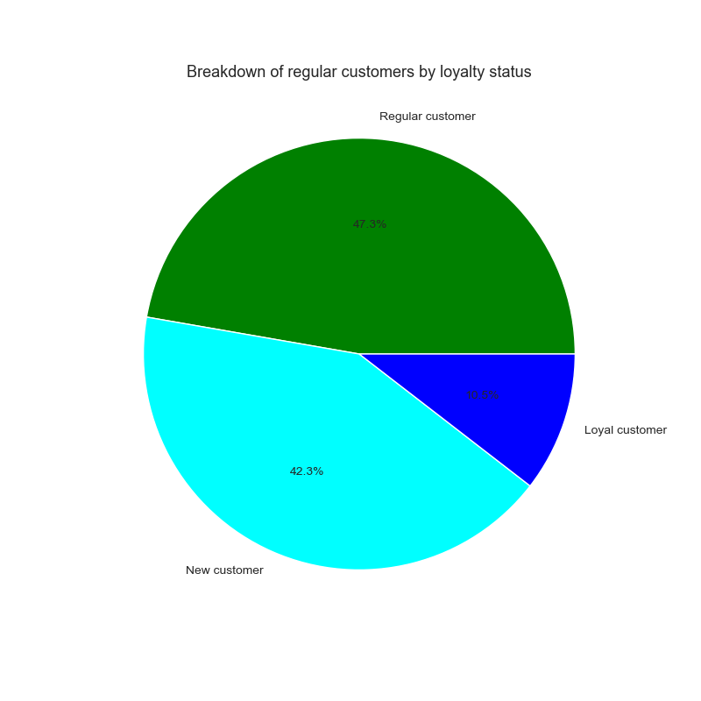
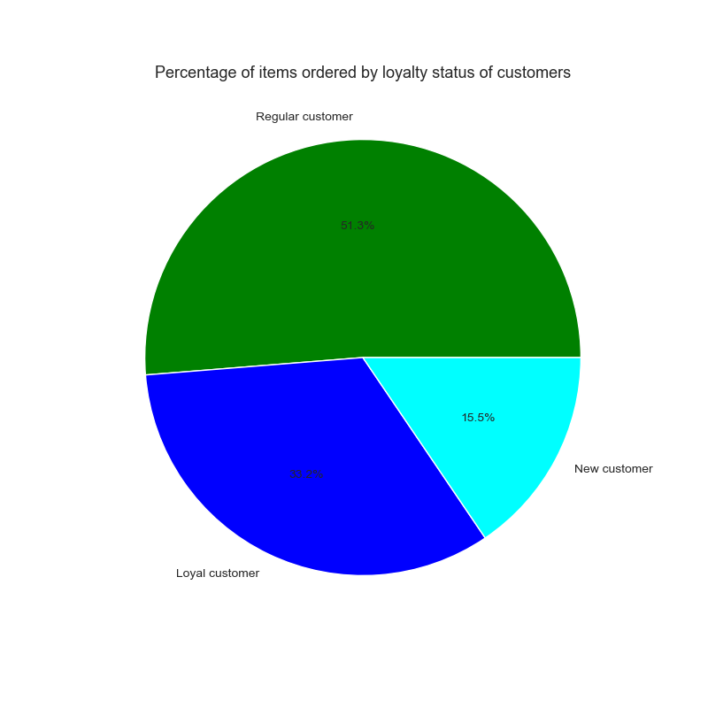
14. Pie chart of Instacart customers by how loyalty status.
- Regular customer make nealy half of the regular customer base.
-New customers compose over 40%.
KQ 5.2
15. Pie chart of Instacart customer by how many items each loyalty groups has placed.
- Loyal customers order 33.2% of items sold through Instacart.
-Regular customers order 51.3% of items sold through Instacart.
-Non-frequent customers order 15.5% of items sold through Instacart.
KQ 5.2

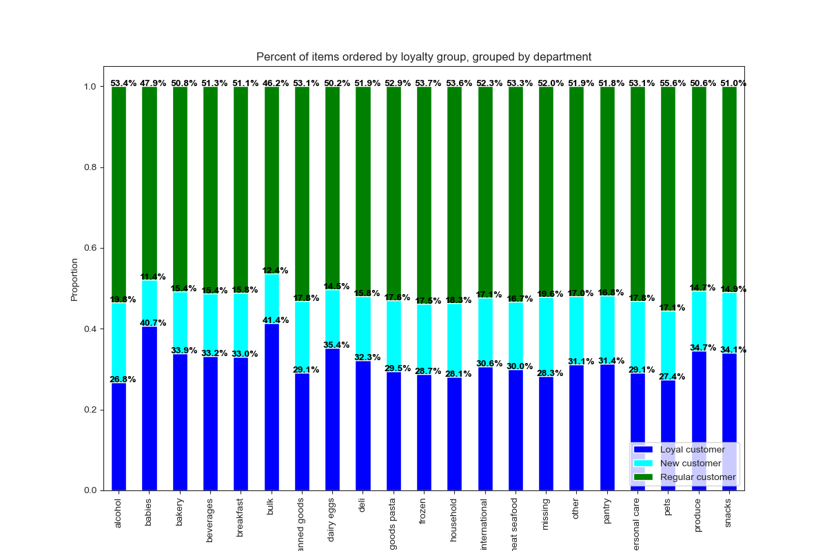

16.Stacked bar chart of products sold by department by loyalty group, normalized.
-Loyal customers order 33.2% of items sold through Instacart. They order a higher percentage of items from the following departments:
-Bulk - 41.4% , Babies - 40.7%, Dairy & Eggs - 35.4%, Produce - 34.7%, Snacks - 34.1%, Bakery - 33.9%
- Regular customers order 51.3% of items sold through Instacart. They order a higher percentage of items from the following departments:
-Pets - 55.6%, Frozen - 53.7%, Household - 53.6%, Alcohol - 53.4%, Meat & Seafood - 53.3%, Personal care - 53.1%, Canned goods -53.1%, Dry goods & Pasta -52.9%, International - 52.3%
New customers order 15.5% of items sold through Instacart. They order a higher percentage of items from the following departments:
-Alcohol - 19.8%, Missing -19.6%, Household - 18.3%, Canned goods - 17.8%, Personal care -17.8%, Dry goods & Pasta - 17.6%, Frozen - 17.5%,
International -17.1%, Pets -17.1%, Other - 17.0%,
Pantry - 16.8%, Meat & Seafood -16.7%
See Crosstabs.xlsx for all values
KQ 5.2

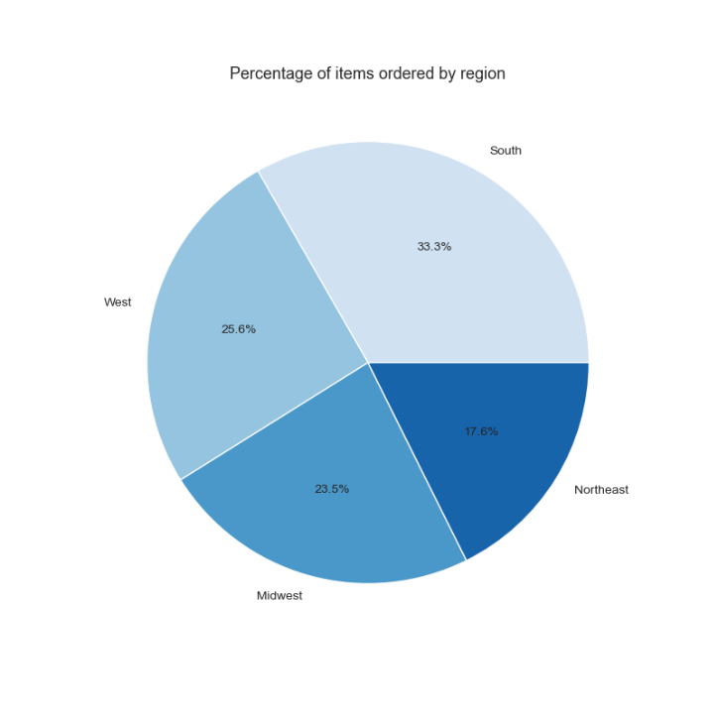
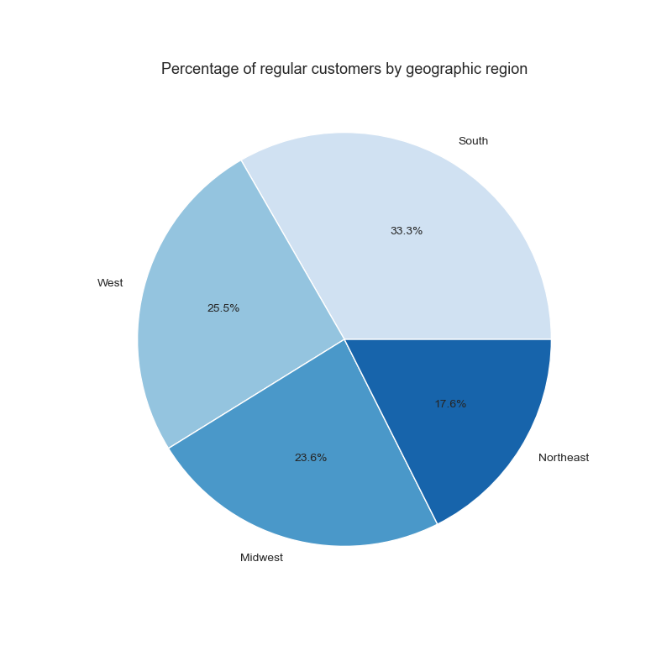

17. Pie chart of Instacart customers by geographic region.
- The South region has the largest number of customers, 33%
-The Northeast region has the smallest number of customers, 17.6%.
KQ 5.3
18. Pie chart of products bought by Instacart customers by geographic region.
The regional proportions of customers and items those customers bought is only different by 0.1%
KQ 5.3

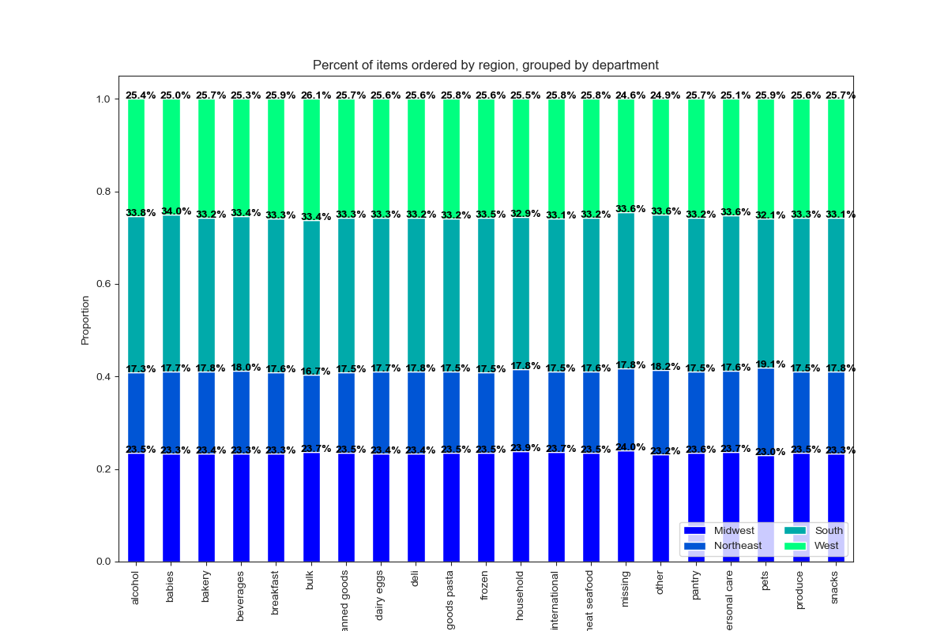
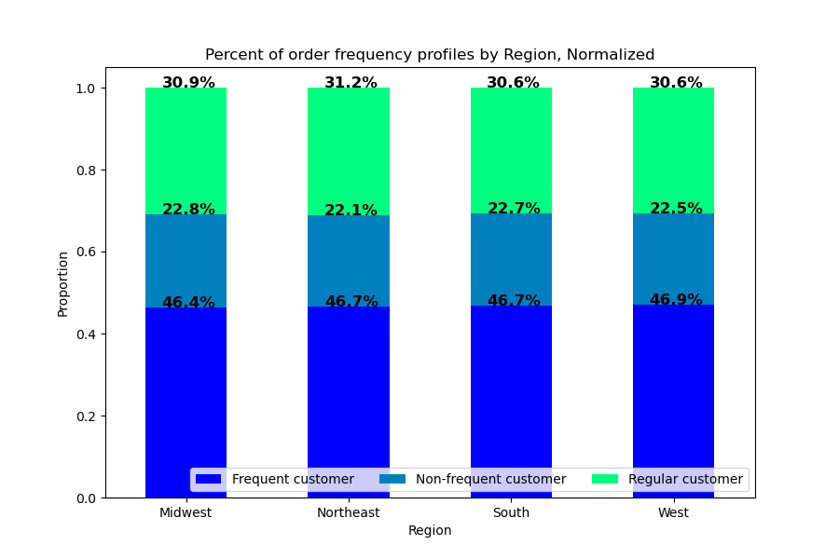

19. Stacked bar chart of order frequency groups by region, normalized.
- Each region varies in its composition of Frequent/Regular/Non-frequent customers.
-The West has the highest percentage of Frequent customers
-The Northeast has the highest percentage of Regular Customers.
- Midwest has the largest percentage of Non-frequent customers.
KQ 5.3
20. Stacked bar chart of products sold by department by region, normalized.
- Some variation between regions. from 1% different (Midwest region) up to 1.9% different (South region).
-However the most variation is seen in smaller departments whose lower sales numbers are more susceptible to outliers. These departments have more niche products and not good candidates for broad advertising campaigns.
- The largest deviation from the regional average in a top department is +0.4% seen in the Beverages department in the Northeast region.
See Crosstabs.xlsx for all values
KQ 5.3

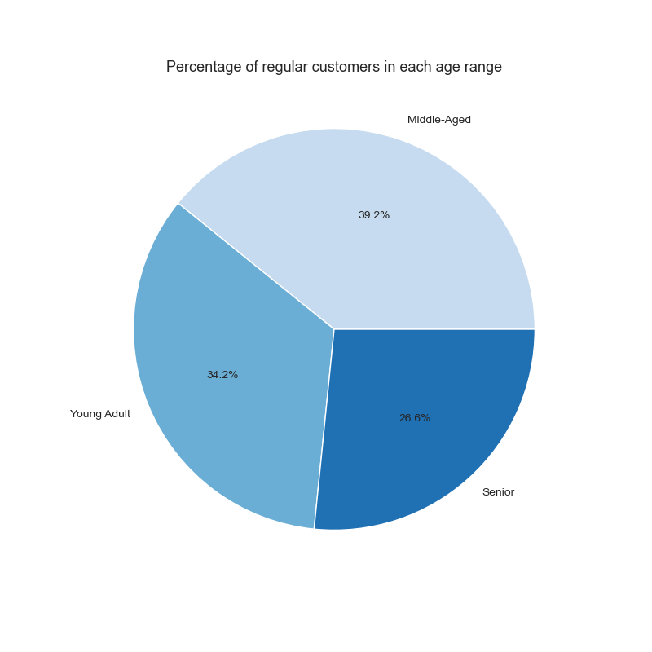

21. Pie chart of Instacart customers by age group.
- Young Adults and Middle-Aged customers compose nearly three-fourths of customers
KQ 5.5

22. Pie chart of products bought by Instacart customers by age group.
-No age group orders items more thatn 0.2% out of proportion with their percentage of the customer population.
- Differences in department purchases by age groups are likely to be small.
KQ 5.5

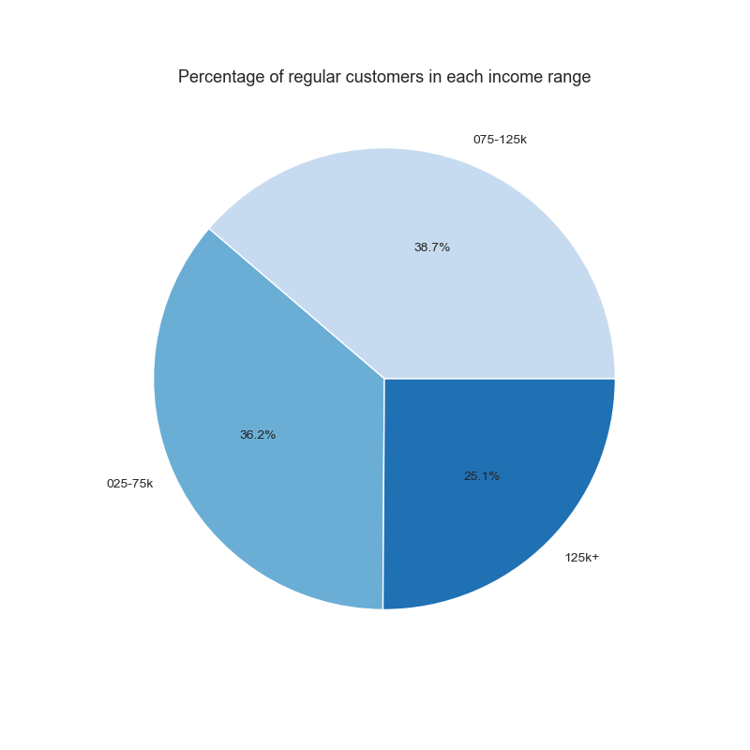
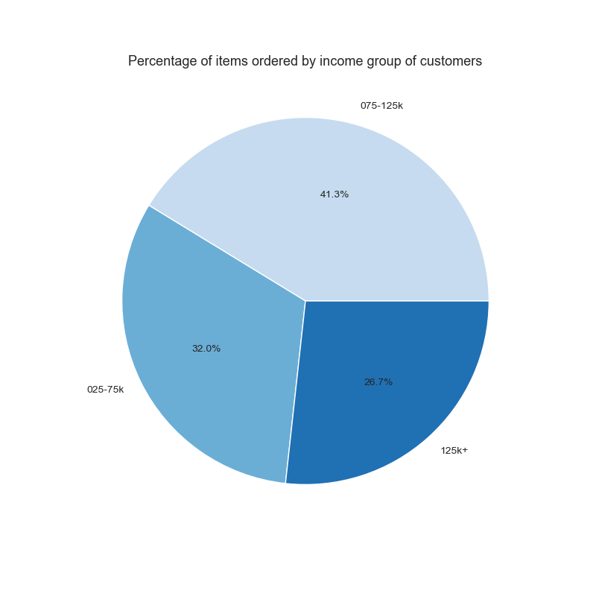
23. Pie chart of Instacart customers by income group.
KQ 5.5

24. Pie chart of products bought by Instacart customers by income group
- Customers in the lowest income bracket order items 4.2% less then their proportion of the customer base.
- Customers in the middle income bracket order items 2.6% more then their proportion of the customer base.
- Customers in the highest income bracket order items 1.6% more then their proportion of the customer base.
KQ 5.5

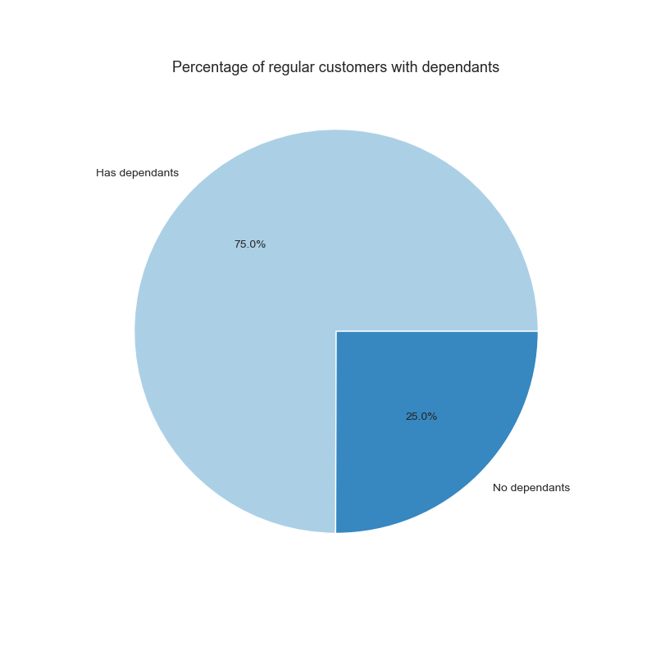


26. Pie chart of products bought by Instacart customers by family group
-Neither family group orders items out of proportion with their percentage of the customer population.
- Differences in department purchases by age groups are likely to be very small.
KQ 5.5
25. Pie chart of Instacart customers by family group.
KQ 5.5

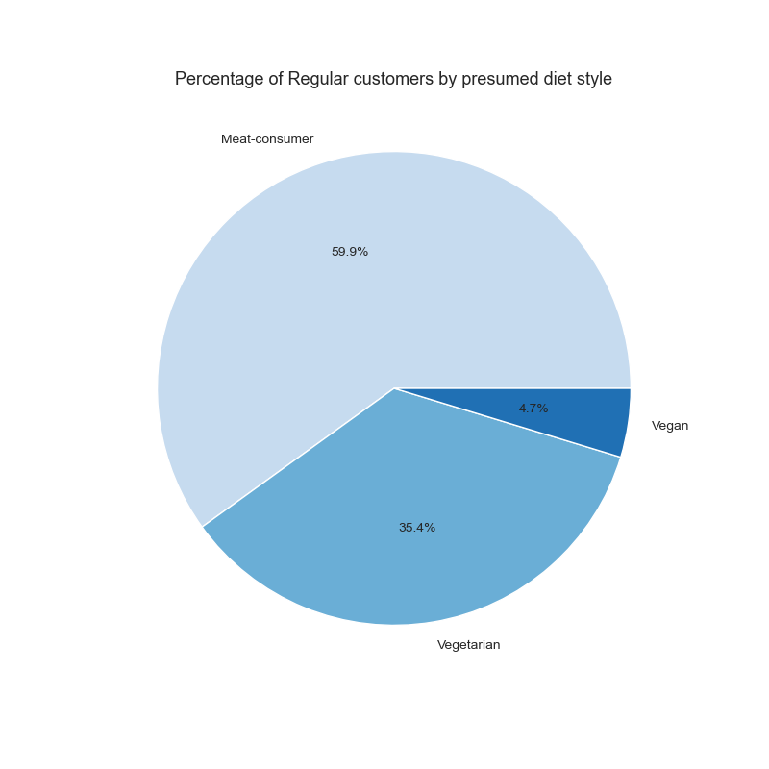
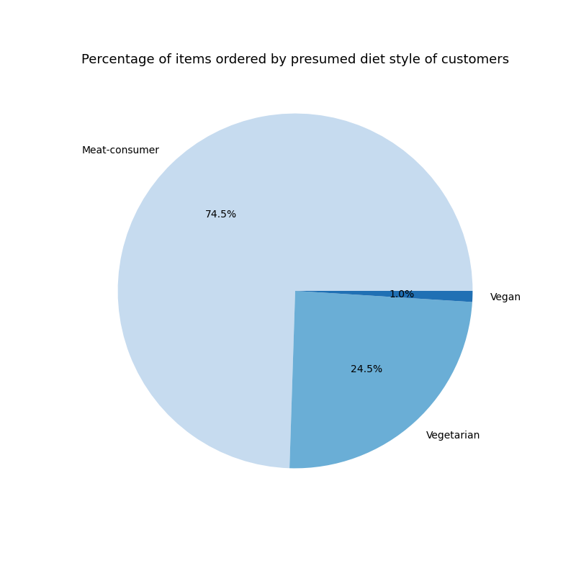

27. Pie chart of Instacart customers by presumed diet style.
- Over 40% of Instacart customers have not purchased items from the Meat & Seafood or Deli departments.
KQ 5.5
28. Pie chart of products bought by Instacart customers by presumed diet style.
- Product purchases by Vegan are nearly one-fith the percentage of Vegans customers.
- Product purchases by Vegetarians are 10.9% less than the percentage of Vegetarian customers.
-If there are Vegans and Vegetarians are equally distributed across all income groups, then these groups are not Frequent or Regular customers of Instacart.
KQ 5.5

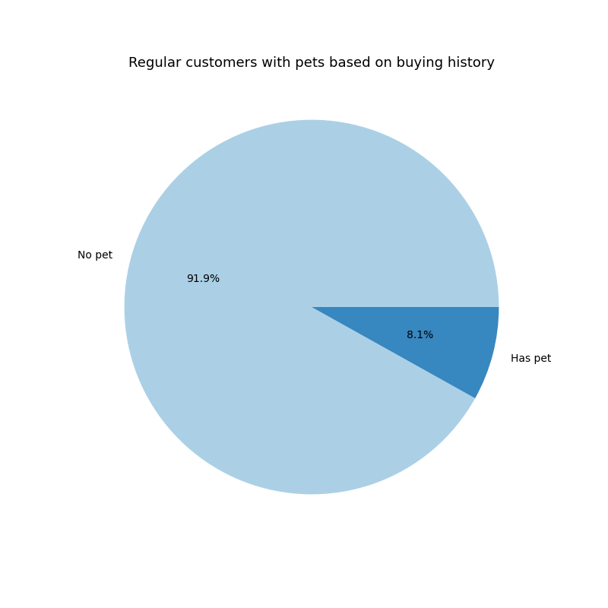
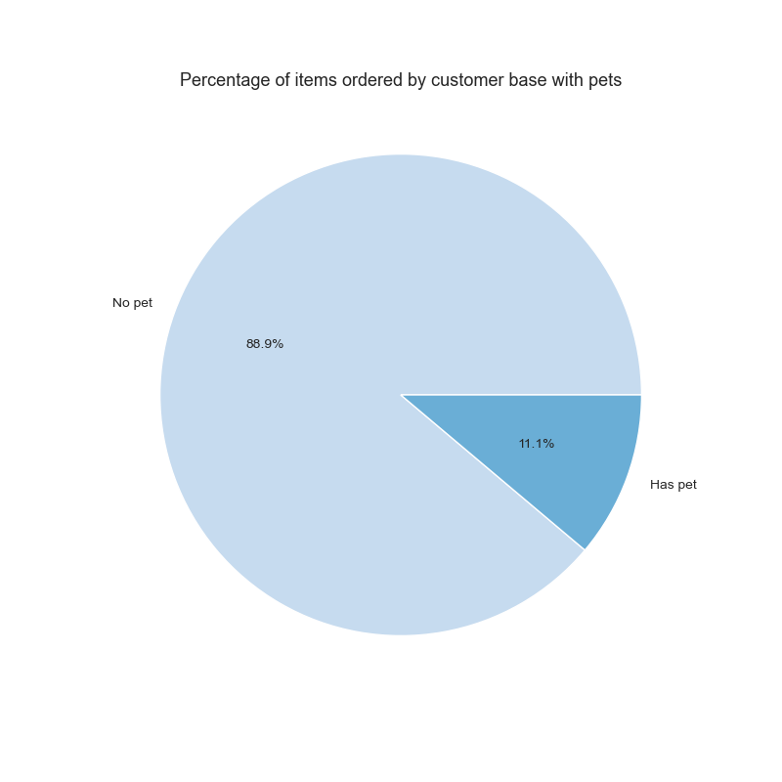

29. Pie chart of Instacart customers by presumed pet ownership.
- 66% of U.S. households own a pet according to a April 10, 2023 Forbes article.
- Since only 8.1% of Instacart customers buy from the Pets department, this suggests that pet owners either do not shop for pet products on Instacart or are underrepresented in the Instacart customer base.
KQ 5.5
30. Pie chart of products bought by Instacart customers by presumed pet ownership.
- Pet owners buy proportionally more products then their proportion of the customer base.
- This suggests that the income groups of pet owners comprise have a disproportionate amount of Middle and High income groups since they also have similar spending patterns.
KQ 5.5

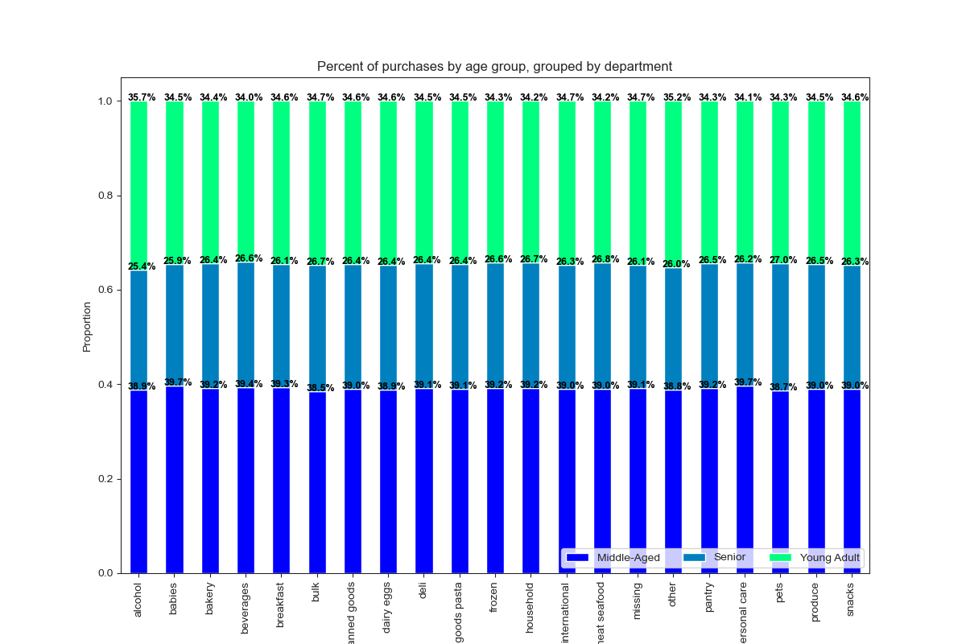

31. Stacked bar chart of products sold by department by age group, normalized.
Young Adults order 34.4% of items sold through Instacart.
They order a higher percentage of items from the following departments:
-Alcohol -35.7%
-Other - 35.2%
- Bulk - 34.7%
- Missing - 34.7%
- International 34.7%
Middle-Aged customers order 39.1% of items sold through Instacart.
They order a higher percentage of items from the following departments:
- Personal care - 39.7%
- Babies - 39.7%
- Beverages - 39.4%
Senior customers order 26.5% of items sold through Instacart.
They order a higher percentage of items from the following departments:
- Pets - 27.0%
- Meat & Seafood -26.8%
-Bulk - 26.7%
-Household 26.7%
See Crosstabs.xlsx for all values
KQ 5.6

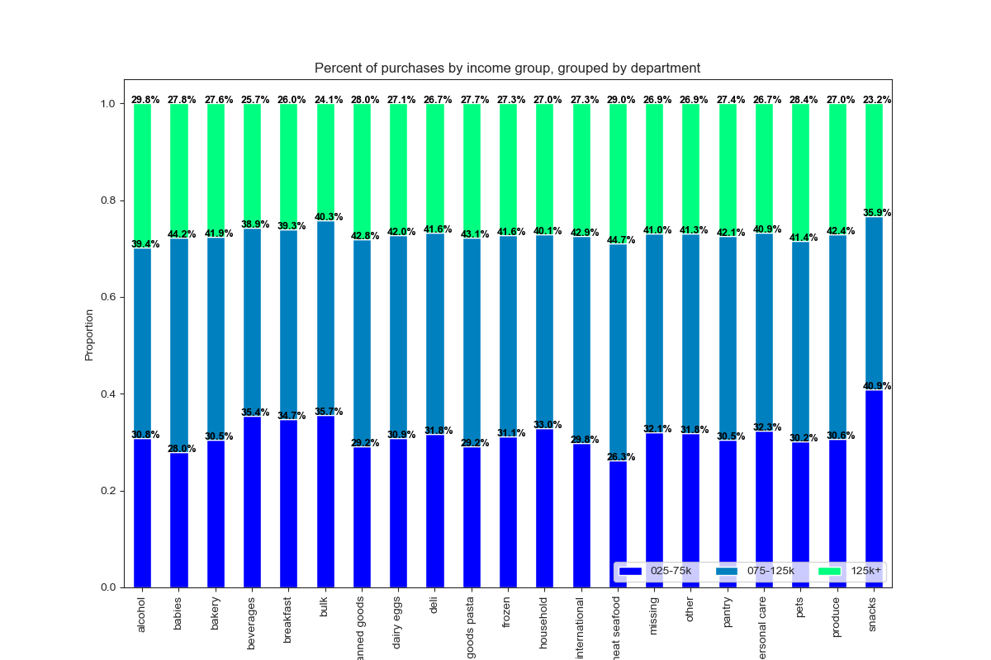

32. Stacked bar chart of products sold by department by income group, normalized.
High Income customers order 26.7% of items sold through Instacart.
They order a higher percentage of items from the following departments:
-Alcohol - 29.8%
-Meat & Seafood - 29.0%
-Pets - 28.4%
-Canned goods - 28.0%
-Babies - 27.8%
-Dry goods & Pasta 27.7%
- Bakery 27.6%
Middle income customers order 41.3% of items sold through Instacart.
They order a higher percentage of items from the following departments:
-Meat & Seafood - 44.7%
-Babies - 44.2%
-Dry goods & Pasta - 43.1%
-International - 42.9%
-Canned goods - 42.8%
-Produce - 42.4%
Low income customers order 32.0% of items sold through Instacart.
They order a higher percentage of items from the following departments:
-Snacks 40.9%
- Bulk 35.7%
- Beverages 35.4%
- Breakfast 34.7%
- Household 33.0%
Low income customers also spend a lower percentage on items from Meat & Seafood (26.3%), Babies (28.0%), Canned Good (29.2%), and Dry Goods & Pasta (29.2) departments. Since products in the Snacks department are the cheapest and products in the Meat & Seafood department are nearly four times as expensive, this makes sense for the group.
See Crosstabs.xlsx for all values
KQ 5.6

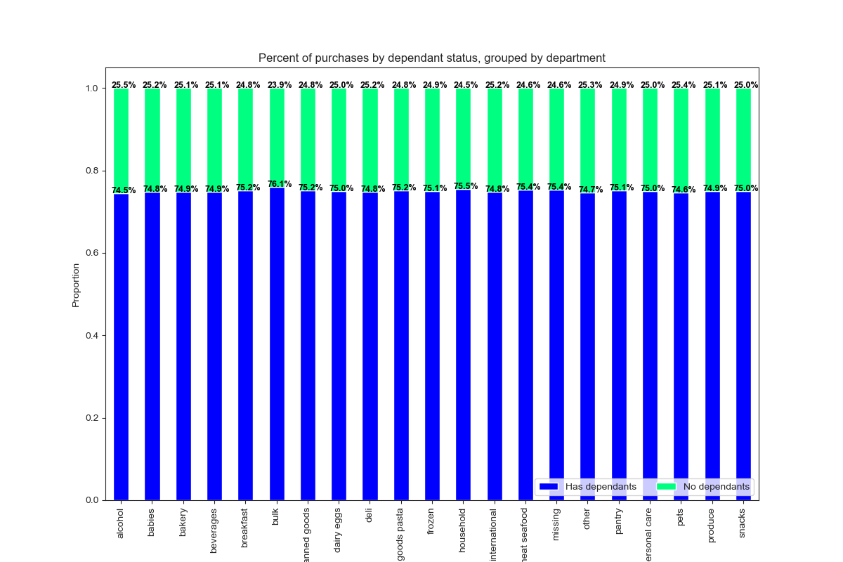

33. Stacked bar chart of products sold by department by family group, normalized.
Families with dependants customers order 75.0% of items sold through Instacart.
They order a higher percentage of items from the following departments:
-Bulk - 76.1%
-Household - 75.5%
-Meat & Seafood - 75.4%
-Missing - 75.4%
Single Adult customers order 25.0% of items sold through Instacart.
They order a higher percentage of items from the following departments:
- Alcohol 25.5%
- Pets - 25.4%
See Crosstabs.xlsx for all values
KQ 5.6

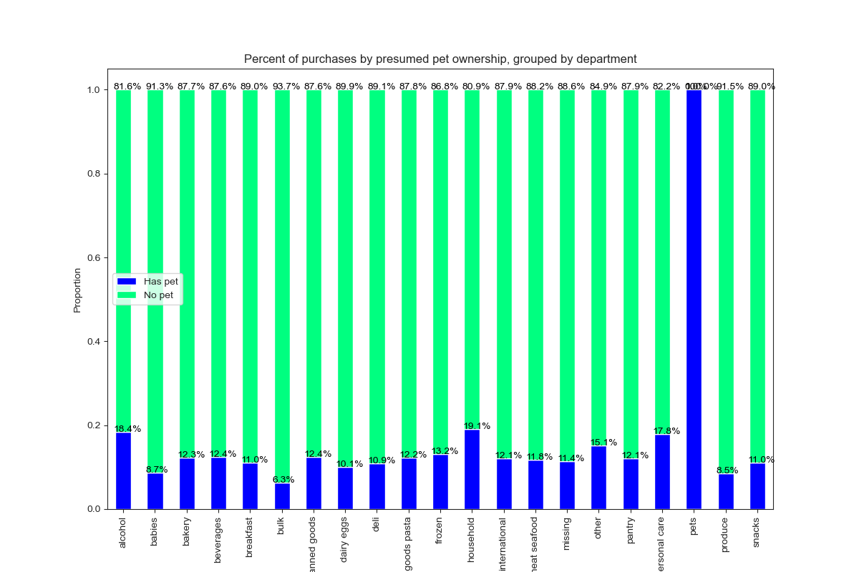

34. Stacked bar chart of products sold by department by pet ownership group, normalized.
Families with dependants customers order 75.0% of items sold through Instacart.
They order a higher percentage of items from the following departments:
-Bulk - 76.1%
-Household - 75.5%
-Meat & Seafood - 75.4%
-Missing - 75.4%
Single Adult customers order 25.0% of items sold through Instacart.
They order a higher percentage of items from the following departments:
- Alcohol 25.5%
- Pets - 25.4%
See Crosstabs.xlsx for all values
KQ 5.6

7. Recommendations
 |  |  |  |  |  |  |  |  | Title page

Recommendations

In this tab you should include any recommendations you would made to Instcart in terms of their marketing strategy based on the questions posed in the brief. Every key question has been covered in the Tasks of the Exercises - here you need to add an item - a visualisation or table/crosstable that is showing the answer in the data, acompanied by a comment from you. Please, list the questions below and add the answer underneath.

KEY QUESTIONS

1. When are the busiest days of the week and the busiest hours of the day?

- Saturday (0) and Sunday (1) are the busiest days of the week.
- Tueday and Wednesday are the slowest days of the week.
-The second visualization is a histogram of the orders placed per hour of the day.
- The busiest hours (over 2.5 million items) are between 10AM and 4PM.
- The slowest ordering period (fewer then 250,000 items ordered) is between midnight and 6AM.
 |  |  | 0 | 1 | 2 | 3 | 4 | 5 | 6
 |  |  | Saturday | Sunday | Monday | Tuesday | Wednesday | Thursday | Friday

 | 2. Are there particular times of the day when people spend more money?

-The first diagram shows the average price per item on orders placed each day.
- Friday, which has the third highest number of items ordered each week, has an average price per item comparable to Saturday. This suggests that customers order pricier items on Friday and Saturday in preparation for weekend activities.
- The second visualization shows the average price of items ordered each hour.
-The variablility and peaks of the average price before 8AM are due to the low amount of orders placed during those hours.
- As the numbers of orders rise to their highest levels at 10AM, the average price per item is at its lowest point.
- The average price per item has peaks at 6PM and 10PM. Since fewer items are being ordered late at night, the best time for advertising would be in the late afternoon before 6PM.
 |  |  | 0 | 1 | 2 | 3 | 4 | 5 | 6
 |  |  | Saturday | Sunday | Monday | Tuesday | Wednesday | Thursday | Friday


 | 3. Grouping prices into simpler price ranges

- Over 98% of items are priced between $1 and $15.
- Only one department, Meat & Seafood, has a noticable proportion of items that qualify as high-range products, which account for about 1% of products.
- The Snacks department has the highest percentage of items sold that are low-range products. The Bulk department has the highest percentage of items sold that are mid-range products.
- The other departments sell roughly 70% mid-range products and 30% low-range products.
- More insight may be gained by splitting the mid-range product category into products $5 to $9.99 and products $10 to $15.

 | 4. Which departments have the highest frequency of product orders?

- Customers order most frequently from the Produce, Dairy & Eggs, Snacks, Beverages, and Frozen departments.
-Customer also regularly order from the Pantry, Bakery, Canned Goods, Deli, and Dry Goods & Pasta departments. All of these departments each have over 2.7% of sales.
- The Meat & Seafood department composes 2.2% of total sales however the mean price per item ordered from this department is roughly twice the value of other departments.
- Products from these top departments are strong candidates to feature in advertising.

 | 5.1 What is the distribution among users in regards to how often they return to Instacart?

- Frequent customers (those regularly placing an order more then once every 10 days) compose 48% of the regular customer base but purchase 69% of the items ordered through Instacart.
- Regular customers (those regularly placing an order between once every 10 days and once every 20 days) make up 31% of the regular customer base and purchase 22% of of the items ordered through Instacart.
- Non-frequent customers make up 23% of the regular customer base and purchase 9% of of the items ordered through Instacart.

-Frequent customers order a higher percentage of items then average from the following deparments: Babies, Bulk, Produce, Dairy & Eggs, Alcohol, and Snacks.
-Advertising directed at Frequent Customers should include products from the Produce and Dairy & Eggs, and Snacks departments.
-Regular customers order a higher percentage of items then average from the following deparments: Pets, Household, Frozen, Dry Goods & Pasta, Personal Care, Canned Goods, Meat & Seafood, and International.
-Advertising directed at Regular Customers should include products from the Frozen, Dry Goods & Pasta, Meat & Seafood, and Canned Goods departments.
-Non-frequent customers order a higher percentage of items then average from the following deparments: Household, Personal Care, Frozen, Dry Goods & Pasta, Pets, Pantry, International, Meat & Seafood, and Deli departments.
-Advertising directed at Non-frequent Customers should include products from the Frozen, Dry Goods & Pasta, Pantry, Canned Goods, Meat & Seafood, and Deli departments.

 | 5.2 Are there differences in ordering habits based on a customer's loyalty status?

- Loyal customers compose 11% of the regular customer base and purchase three times that percentage of the items ordered through Instacart.
- Regular customers make up 47% of the regular customer base and purchase 51% of of the items ordered through Instacart.
- New customers make up 42% of the regular customer base and purchase 16% of of the items ordered through Instacart.
- Instacart should focus on retaining customers and converting new customers into regular customers.

- Loyal customers order a higher percentage of items then average from the following deparments: Bulk, Babies, Dairy & Eggs, Produce, Snacks, and Bakery.
- Advertising directed at Loyal customers should include products from the Dairy & Eggs, Produce, Snacks, and Bakery departments.
- Regular customers order a higher percentage of items then average from the following deparments: Pets, Frozen, Household, Alcohol, Meat & Seafood, Personal Care, Canned Goods, Dry Goods & Pasta, and International.
- Advertising directed at Regular customers should include products from the Frozen, Canned Goods, and Dry Goods & Pasta departments.
- New customers order a higher percentage of items then average from the following deparments: Household, Personal Care, Frozen, Dry Goods & Pasta, Pets, Pantry, International, and Meat & Seafood departments.
- Advertising directed at Non-frequent customers should include products from the Frozen, Dry Goods & Pasta, Pantry, and Meat & Seafood departments.

 | 5.3. Are there differences in ordering habits based on a customer's region?

- In all regions of United States customers order items in nearly the same proportion as the customer base in that region.
- Each region varies in its composition of Frequent/Regular/Non-frequent customers. The West has the highest percentage of Frequent customers, the Northeast has the highest percentage of Regular Customers, and the Midwest has the largest percentage of Non-frequent customers.
- When orders are segemented by department, there are differences seen in smaller departments, but the analysis found only small deviations from the regional averages present in the top departments.
- The largest deviation from the regional average in a top department is +0.4%, seen in the Beverages department in the Northeast region.
- Regional ordering differences may be more prelevant when the area is divided into smaller geographical populances.
- Regional ordering differences may be greater when products are grouped into individual products and brands, instead of by department.



 | 5.4. Is there a connection between age and family status in terms of ordering habits?

- The average number of dependants per customer is 1.5.
- No relantionship can be seen between customer age and number of dependants a customer has.
- Since age and family status do not have a relationship to each other, these variables are not likely to be useful when used together to compare differences in ordering habits.

 | 5.5. Classification by demographics

CUSTOMER AGE
- Customers were classified into three age groups. (See Tab 5)
- Each age group purchases items in similar proportions to their composition of the customer base.
-This suggests there may not be notable differences in ordering habits between age groups.

CUSTOMER INCOME
- Customers were classified into three income groups. ( See Tab 5)
- When compared to its share of the regular customer base, the share of items purchased by the High (125k+) income group increases by 6%.
-When compared to its share of the regular customer base, the share of items purchased by the Middle (75-125k) income group increases by 7%.
When compared to its share of the regular customer base, the share of items purchased by the Low (25 -75k) income group decreases by 12%.
- Instacart could improve market share by offering promotions targeted at price-conscious customers.

FAMILY COMPOSITION
- Customers were classified into those with dependants and single adults (No dependants). (See Tab 5)
- The groups purchase items in the same proportion as their composition of the customer base.
-This suggests there are not significant differences in ordering habits between families and single adults.

BY DIET PATTERNS
- Customers were classified into groups associated with different diet based on their purchasing history. (See Tab 5)
- When compared to its share of the regular customer base, the share of items purchased by the 'Vegan' group decreases 78%.
-Customers in this category are not buying many items on Instacart. This suggests that either they are not finding many items they are interested in buying on Instacart or these customers share traits with other categories of low-purchasing customers (i.e. Low income, Non-frequent, and New customers).
- When compared to its share of the regular customer base, the share of items purchased by the 'Vegetarian' group decreases 31%. This suggests similar factors that affect the 'Vegan' group are also occuring in the 'Vegetarian' group.
- This shows there are significant differences in ordering habits among these groups.
- Further investigation is needed into factors that cause these groups of customers to purchase fewer items.
- See Section 5.6 - Diet Patterns.

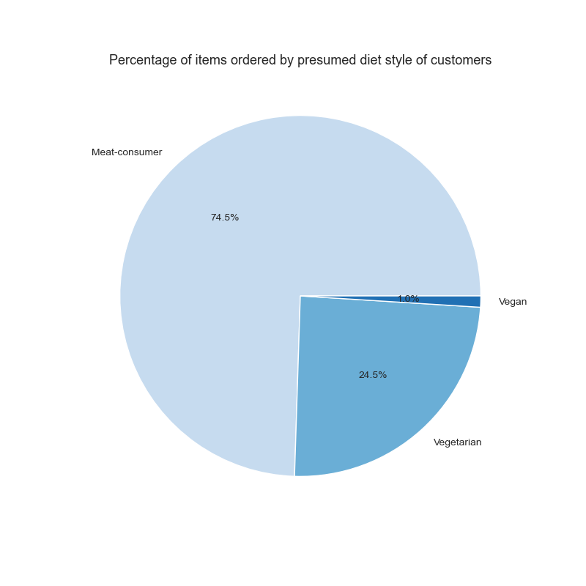



BY PET OWNERSHIP
- Customers were classified into groups of those who had purchased items from the Pet department and those who had not. (See Tab 5)
- According to April 2023 Forbes article, 66% of U.S. households own a pet. The small proportion of 'Pet Owners' identifited indicates that the Instacart customer base shops for pet products through other stores or websites.
- When compared to its share of the regular customer base, the share of items purchased by the 'Pet Owner' group increases by 37%.
-This suggests that this 'Pet Owner' group shares some characteristics with other categories of high-purchasing customers (i.e. Middle income, High income, Frequent Customers, and Loyal Customers).

 | 5.6 Customer Profiles and Ordering Habits
AGE GROUP
- The Young Adult age group has the lowest mean price per item and the Senior age group has the highest. This indicates that customers spend more on food as they grow older.
- The Senior age group has the shortest average median period between orders, while the Middle-Aged customer age group has the longest. This shows that the Senior age groups orders slightly more frequently then the Middle-Aged group and the Young Adult group.
- Young Adults order a higher than average percentage of items from the following departments: Alcohol, Other, Bulk, Missing, International, Snacks, Dairy & Eggs, Breakfast, and Canned Goods.
- Middle-Aged customers order a higher then average percentage from the following departments: Personal Care, Babies, Beverages, and Breakfast.
- Senior customers order a higher then average percentage from the following departments: Pets, Meat & Seafood, Bulk, and Household.
- Advertising directed at broad general groups should include items from the Top Departments identified in Key Question 4. As the targeted groups become more specialized they could include products from smaller departments.
- Advertising directed at Senior customers should include products from the Meat & Seafood department.
- Advertising directed at Middle-Aged customers should include products from the Beverages department.
- Advertising directed at Young Adult customers should include products from the Snacks, Dairy & Eggs, and Canned Goods departments.

 |  | Age Group | MEAN- price per item | MEAN - median days between orders
 |  | Young Adult | $7.78 | 10.81
 |  | Middle-Aged | $7.79 | 10.82
 |  | Senior | $7.80 | 10.79

INCOME GROUP
- The mean price per item for the Low income group is $0.51 lower then High income group and $0.52 lower then the Middle income group. This indicates that customers at the lower end of the income range are sensitive to the product prices.
- The Low income group has the longest average median period between orders indicating they wait longer between placing orders. The Middle and High income groups have similar mean median periods between orders, with the High income group ordering slightly more frequently.
- Advertising directed at broad general groups should include items from the Top Departments identified in Key Question 4. As the targeted groups become more specialized they could include products from smaller departments.
- The Low income group orders a higher then average percentage from the Snacks, Bulk, Beverages, and Breakfast departments. This group orders a lower percentage of items from the Meat & Seafood, Babies, Canned Good, Dry Goods & Pasta, International, Pets , and Bakery departments.
- Advertising directed at Low income customers should include products from the Snacks and Beverages departments. This group is likely to be more responsive to advertising about sales and lower-cost generic brands. The lower income group is also more likely to respond to conditional promotions, like time-limited discount for placing orders on Tuesday or Wednesday (the least busy days of the week).
- The Middle income group orders a higher then average percentage from the Meat & Seafood, Babies, Dry Goods & Pasta, International, and Canned Goods departments. This group orders a lower percentage of items from the Snacks, Beverages, Breakfast, and Alcohol departments.
- Advertising directed at Middle income customers should include products from the Meat & Seafood, Dry Goods & Pasta, and Canned Goods departments.
- The High income group orders a higher then average percentage from the Alcohol, Meat & Seafood, and Pets departments. This group orders a lower percentage of items from the Snacks, Bulk, and Beverages departments.
- Advertising directed at High income customers should include products from the Meat & Seafood department.

 |  | Income Group | MEAN- price per item | MEAN - median days between orders
 |  | Low (25-75k) | $7.44 | 10.9
 |  | Middle (75-125k) | $7.96 | 10.77
 |  | High (125k+) | $7.95 | 10.76

FAMILY COMPOSITION
- There is no difference in the average amount both groups spend on groceries. Single Adults place orders more frequently then Families with dependants.
- The most notable differences in order history is families with dependants buy more from the Bulk and Household departments while Single Adults purchase more items from the Alcohol deparment.
- As the differneces are minor, there are no recommendations for department based on this customer profile.
 |  | Family | MEAN- price per item | MEAN - median days between orders
 |  | Has dependants | $7.79 | 10.82
 |  | Single Adult | $7.79 | 10.79

DIET PATTERNS
- The 'Vegan' group has a very low mean price per item and very long average median period between orders. The 'Vegetarian' group also follows a similar pattern, though not as extreme.
- The Meat-consumer group has a mean price per item $0.05- $0.06 below that of the High and Medium Income groups but a shorter average median period between orders then these income groups
- When the Diet-Style groups were crosstabulated with Income groups the results showed 61% of the Vegan group and 44% of the Vegetarian group were in the Low Income group, when it was expected that customers with vegan and vegetarian diets would be more evenly distributed in all Income groups.
- This indicates that a large portion of these customers may not be choosing a vegan or vegetarian diet, but are not buying meat and dairy products because of their income. Therefore if Instacart chose to advertise vegan and vegetarian products to these groups as they currently are divided it would not be accurately targeted to the most well-suited group of customers.
- It is recommended that Instacart offer customers a choice of which diets and special interests (e.g. alcohol, pets, kosher, allergens, etc.) interest them so Instacart can adjust advertising by customer-selected interests. Having customers self-select which types of products interest them will lead to more accurately targeted advertising.

 |  | Diet | MEAN- price per item | MEAN - median days between orders
 |  | Vegan | $6.96 | 13.8
 |  | Vegetarian | $7.49 | 11.45
 |  | Meat-consumer | $7.90 | 10.56

 |  | Diet | Low Income | Middle Income | High Income | Total
 |  | Vegan | 61% | 24% | 15% | 100%
 |  | Vegetarian | 44% | 34% | 22% | 100%
 |  | Meat-consumer | 30% | 43% | 28% | 100%

PET OWNERSHIP
-The Pet Owner group has a mean price per item slightly higher then No pet group and places orders noticibly more frequently then the No pet group.
- When the groups were crosstabulated with Income groups the results showed that as a customer's income increased they were more likely to buy items from the Pets Department.
- Addtionally when Pet owner groups were compared with Order Frequency groups, the Pet Owner group is more likely to be in the Frequent Customer group when compared to a customer in the No pet group. People in the Pet Owner group are also less likely to be a Non-Frequent Customer.
- The Pet Owner group orders a higher then average percentage from the Pets, Household, Alcohol, Personal Care, Other, Frozen, Canned Goods, Beverages, Bakery, Dry Goods & Pasta, Pantry and International departments. This group are less likely to purchase items from the Bulk, Produce, Babies, and Dairy & Eggs deparments.
- Advertising directed at the Pet Owner group should include products from the Pets department as well as Household, Alcohol, Personal Care, Frozen, Canned Goods, Beverages, Bakery, Dry Goods & Pasta, and Pantry departments.

 |  | Pet owner | MEAN- price per item | MEAN - median days between orders
 |  | Pet Owner | $7.81 | 10.18
 |  | No pet | $7.79 | 10.89

 |  | Income Group | Pet Owner | No pet
 |  | Low | 7% | 93%
 |  | Middle | 8% | 92%
 |  | High | 9% | 91%

 |  | Order Frequency Group | Frequent Customer | Regular Customer | Non-Frequent Customer
 |  | Pet Owner | 53% | 31% | 17%
 |  | No pet | 46% | 31% | 23%

